DATA ALTERNATIF
DATA ALTERNATIF 75 LAPTOP
Kriteria didukung dari Kepmendag No. 2060 Tahun 2025

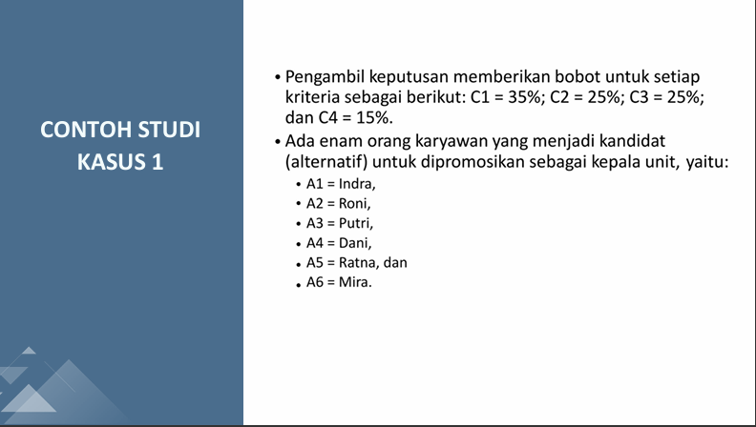
No | Kode | Nama Produk / Model | Merek | C1 TKDN + BMP (%) | C2 RAM (GB) | C3 SSD (GB) | C4 Garansi (Thn) | C5 Harga (Rp) | LINK E KATALOG (TARO SINI YA GES LINKNYA)
1 | A01 | Lenovo IdeaPad Slim 3 15IAH8 | Lenovo | 41.5 | 8 | 512 | 1 | 13,722,375 | https://katalog.inaproc.id/artajaya-borneo/lenovo-ideapad-slim-3
2 | A02 | Lenovo IdeaPad Slim 3 15IAN8 | Lenovo | 40 | 16 | 512 | 1 | 19,846,800 | https://katalog.inaproc.id/sentral-baroena-jaya/lenovo-ideapad-slim-3
3 | A03 | Lenovo ThinkPad E14 Gen 5 | Lenovo | 38.2 | 16 | 512 | 1 | 14,088,731 | https://katalog.inaproc.id/amins-project-teknologi-indonesia/lenovo-thinkpad-e14-gen-5-intel-core-i3-1315u-8gb-512gb-w11pro
4 | A04 | Lenovo ThinkPad L14 Gen 4 | Lenovo | 38.2 | 8 | 512 | 3 | 21,000,000 | https://katalog.inaproc.id/ayooklik-pantero-tangara/lenovo-thinkpad-l14-gen-4-intel-21h10068id
5 | A05 | Lenovo ThinkBook 14 G6 IRL | Lenovo | 37.8 | 8 | 512 | 2 | 13,900,000 | https://katalog.inaproc.id/pt-sinergi-dinamika-jaya/lenovo-thinkbook-14-g6-irl-21kg00byid
6 | A06 | ASUS Vivobook Go 14 E1404FA | ASUS | 44,45 | 8 | 512 | 1 | 14,041,500 | https://katalog.inaproc.id/prada-noesantara-group/asus-vivobook-go-14-e1404fa
7 | A07 | ASUS Vivobook 14 A1404ZA | ASUS | 40.1 | 8 | 512 | 1 | 13,150,000 | https://katalog.inaproc.id/qheyzee-sentosa-abadi/asus-vivobook-14-a1404za-vips5852m
8 | A08 | ASUS Vivobook 15 X1504ZA | ASUS | 40.1 | 8 | 512 | 1 | 11,488,500 | https://katalog.inaproc.id/grafika-permai/asus-vivobook-15-x1504za-nj247-intel-core-i7
9 | A09 | ASUS ExpertBook B1 B1402CVA-NK7110X | ASUS | 41.3 | 16 | 1024 | 3 | 21,959,000 | https://katalog.inaproc.id/pt-cantigi-solusi-nusantara/asus-expertbook-b1-b1402cva-nk7110x
10 | A10 | ASUS ExpertBook B1 B1402CVA | ASUS | 41.3 | 16 | 1024 | 3 | 22,199,000 | https://katalog.inaproc.id/pt-cantigi-solusi-nusantara/asus-expertbook-b1-b1402cva-nk7111x
11 | A11 | ASUS ExpertBook B5 B5402CVA | ASUS | 41.3 | 8 | 512 | 1 | 25,752,000 | https://katalog.inaproc.id/tiga-sejahtera/laptop-asus-expertbook-b5
12 | A12 | ASUS ExpertBook P1 P1403CVA | ASUS | 45,32 | 8 | 512 | 2 | 9,967,000 | https://katalog.inaproc.id/prana-atma-nirmala/asus-expertbook-p1-p1403cva
13 | A13 | HP 14S EP0001TU/EP0002TU i5-1335U | HP | 42.88 | 8 | 512 | 1 | 10,878,000 | https://katalog.inaproc.id/solusi-klik-suroboyo-mandiri/hp-14s-ep0001tu-ep0002tu
14 | A14 | HP 14S-DQ5567TU i3-1215U | HP | 42.88 | 8 | 512 | 2 | 9,549,000 | https://katalog.inaproc.id/wizar-jaya-abadi/laptop-hp-14s-dq5567tu | Ikut garansi normalnya HP
15 | A15 | HP 14S DQ5153TU i5-1235U | HP | 42.88 | 8 | 512 | 1 | 13,492,050 | https://katalog.inaproc.id/gogona/hp-laptop-14s-dq5153tu | Garansinya 6 bulan aja
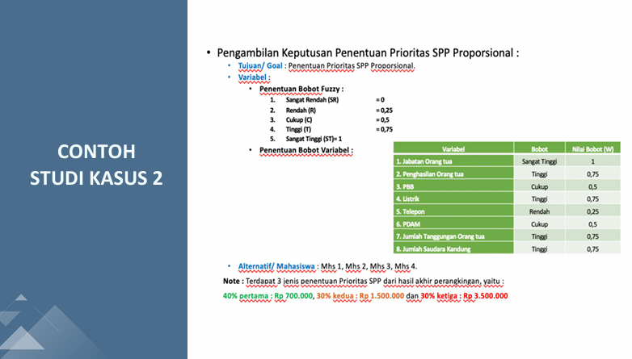
16 | A16 | HP 14S DQ5152TU i5 1235U | HP | 42.88 | 8 | 512 | 2 | 11,999,100 | https://katalog.inaproc.id/zalbi-cakra-mega/laptop-hp-14s-dq5152tu-core-i5-1235u-8gb-512ssd-14-fhd-ips-w11-ohs
17 | A17 | HP 14s DQ5000TU i5-1240P | HP | 42 | 8 | 512 | 2 | 14,349,999 | https://katalog.inaproc.id/insan-utama/laptop-hp-14s-dq5000tu-i5-1240p-8gb-512gb-14fhd-ips-iris-xe-w11-ohs
18 | A18 | Acer TravelMate P214 Ryzen 5 PRO | Acer | 44.84 | 8 | 512 | 1 | 16,000,000 | https://katalog.inaproc.id/starindo-mitra-distribusi/acer-travelmate-p214-ryzen-5-pro
19 | A19 | Acer TravelMate P214 Intel Core 5 120U | Acer | 45.39 | 8 | 512 | 2 | 16,650,000 | https://katalog.inaproc.id/burhan-cl5u/acer-travelmate-p214-ultra-5
20 | A20 | Acer TravelMate P414 Core-i5-1240P | Acer | 44.67 | 16 | 512 | 3 | 22,089,000 | https://katalog.inaproc.id/berlian-irama-perkasa/acer-travelmate-p414-core-i5-16-gb-512-gb
21 | A21 | Acer TravelMate P214 Core-i5-0041 | Acer | 45.27 | 8 | 512 | 1 | 16,872,000 | https://katalog.inaproc.id/tunas-solusi-mandiri-svtx/acer-travelmate-p214-tmp214-0041-core-i5
22 | A22 | Acer Travelmate P414 i7-1260P 106986 | Acer | 28.88 | 16 | 1000 | 1 | 38,694,600 | https://katalog.inaproc.id/braga-mitra-abadi/acer-travelmate-p414-tmp414-0002 | Tidak ada garansi
23 | A23 | Acer Travelmate P414 Intel Core Ultra 7-155U | Acer | 43.75 | 16 | 1024 | 3 | 49,284,000 | https://katalog.inaproc.id/mahakarya-cipta-solusi/laptop-acer-travelmate-p414
24 | A24 | Acer Travelmate P214 i5 82022 | Acer | 26.55 | 8 | 512 | 1 | 11,988,000 | https://katalog.inaproc.id/robby-future-multi/laptop-acer-travelmate | bmp emang gaada
25 | A25 | Acer Travelmate P214 i5-1334U | Acer | 44.08 | 8 | 512 | 3 | 19,250,000 | https://katalog.inaproc.id/astana-swastika/laptop-acer-travelmate-p214 | garansinya resmi acer
26 | A26 | Acer Travelmate P214 i7-1355U | Acer | 44 | 8 | 512 | 1 | 14,985,000 | https://katalog.inaproc.id/lesmana-jaya/laptop-acer-travelmate-p214
27 | A27 | Acer TravelMate P214 TMP214/0034 | Acer | 41.55 | 8 | 512 | 3 | 16,650,000 | https://katalog.inaproc.id/bina-karya-jaya/laptop-acer-travelmate-p214 | garansinya resmi acer
28 | A28 | Acer TravelMate P2 Core i3 | Acer | 44.22 | 8 | 512 | 1 | 12,232,200 | https://katalog.inaproc.id/patriot-global-nusantara/laptop-acer-travelmate-p2-core-i3
29 | A29 | Acer Travelmate i5-1235U | Acer | 44.08 | 8 | 512 | 1 | 19,758,000 | https://katalog.inaproc.id/nusa-bayangkara/laptop-acer-travelmate
30 | A30 | Acer Travelmate i5-1135G7 | Acer | 44.08 | 8 | 512 | 1 | 11,182,000 | https://katalog.inaproc.id/bintang-prima-duta/laptop-acer-travelmate-i5 | garansinya optional eh
31 | A31 | Acer TravelMate P2 TMP214 54 | Acer | 44.08 | 16 | 512 | 1 | 15,424,203 | https://katalog.inaproc.id/tri-faeyza-mandiri/laptop-acer-travelmate-p2-tmp214-54-intel-core-i5-1235u-ram-16gb-512gb-ssd-nvme-windows-11
32 | A32 | Acer TravelMate P2 TMP214-54-5816 | Acer | 41.55 | 16 | 512 | 1 | 15,151,500 | https://katalog.inaproc.id/trilateral-dinamika/acer-travelmate-p2-tmp214-54-5816-intel-i5-gen12-ram-16gb-ssd-512gb-tkdn
33 | A33 | Acer Travelmate P214 | Acer | 44.22 | 8 | 512 | 2 | 13,500,000 | https://katalog.inaproc.id/yudi-santoso-bh3q/laptop-acer-travelmate-p214 | garansi 1-2 tahun eh
34 | A34 | Acer TravelMate P214 i7-1165G7 | Acer | 41.55 | 8 | 512 | 2 | 19,999,000 | https://katalog.inaproc.id/rejeki-aneka-sejahtera/laptop-acer-travelmate-p214
35 | A35 | Acer Travelmate P414 i7-1260P | Acer | 43.75 | 16 | 1024 | 3 | 31,635,000 | https://katalog.inaproc.id/wisanggeni/laptop-acer-travelmate-p414
36 | A36 | Axioo Mybook | Axioo | 45.1 | 8 | 256 | 1 | 8,796,750 | https://katalog.inaproc.id/karya-mandiri-axsd/axioo-mybook
37 | A37 | Axioo Mybook Prime E7 (16N5-3) | Axioo | 43.49 | 16 | 512 | 1 | 17,900,001 | https://katalog.inaproc.id/cempaka-sinergy-bersama/axioo-mybook-prime-e7-16n5-3
38 | A38 | Advan Workplus | Advan | 39.29 | 16 | 512 | 1 | 15,540,000 | https://katalog.inaproc.id/qaishar-i13q/advan-laptop-workplus
39 | A39 | Advan Workpro Lite Intel Core i5-12450H 14 IPS FHD | Advan | 25.04 | 8 | 512 | 1 | 12,500,000 | https://katalog.inaproc.id/triasa-alam-prakarsa/advan-workpro-lite-intel-core-i5-12450h-14-ips-fhd-8gb-512gb
40 | A40 | Advan WorkPro Core i5-12450H | Advan | 25.04 | 8 | 512 | 1 | 9,324,000 | https://katalog.inaproc.id/akasa-muda-mandiri/advan-workpro-core-i5-12450h
41 | A41 | Advan Workpro Lite Intel Core i5-12450H 14 | Advan | 25.04 | 8 | 256 | 1 | 7,500,000 | https://katalog.inaproc.id/karya-putri-alisya/advan-workpro-lite-intel-core-i5-12450h-14
42 | A42 | Zyrex Sky 232 Prime I5 1035G7 | Zyrex | 44.79 | 8 | 512 | 1 | 9,600,000 | https://katalog.inaproc.id/arrasy/zyrex-sky-232-prime-i5-1035g7-8gb-512gb
43 | A43 | Zyrex Sky 232 New | Zyrex | 44.79 | 4 | 256 | 1 | 4,582,000 | https://katalog.inaproc.id/indo-partners-jaya/zyrex-sky-232-new-4gb-256gb-64gb-w10-grey
44 | A44 | Zyrex Sky 232 Mini | Zyrex | 44.79 | 4 | 256 | 1 | 4,332,000 | https://katalog.inaproc.id/indo-partners-jaya/zyrex-sky-232-mini-4gb-256gb-64gb-w10-grey
45 | A45 | ASUSVivobook Go 14 | ASUS | 45.32 | 8 | 512 | 3 | 9,399,999 | https://katalog.inaproc.id/dian-putra-jayastu/asus-vivobook-go-14
46 | A46 | Lenovo K14 G3 | Lenovo | 41.56 | 8 | 512 | 1 | 18,850,000 | https://katalog.inaproc.id/putra-pendawa-sadapaingan/lenovo-k14-g3
47 | A47 | ASUS Vivobook Go 14 E1404GA | ASUS | 44.85 | 16 | 512 | 2 | 17,149,500 | https://katalog.inaproc.id/mulia-perkasa-solusindo/asus-vivobook-14-a1404va
48 | A48 | ASUS Vivobook 14 A1404VAP | ASUS | 44.87 | 16 | 512 | 2 | 15,873,000 | https://katalog.inaproc.id/anita-wija-berau/asus-vivobook-14-a1404vap
49 | A49 | Advan Workplus R5 | Advan | 39.29 | 16 | 512 | 1 | 8,000,000 | https://katalog.inaproc.id/cv-bumi-jaya-baru/advan-workplus-r5
50 | A50 | Lenovo IdeaPad Slim 5 i7 | Lenovo | 41.46 | 16 | 512 | 1 | 18.648.000 | https://katalog.inaproc.id/rajawali-global-solusi/lenovo-ideapad-slim-5-i7
51 | A51 | Advan Workplus R7 | Advan | 25.79 | 16 | 512 | 1 | 11,100,000 | https://katalog.inaproc.id/rabiatul-adawiah/laptop-advan-workplus-r7
52 | A52 | Advan Workplus 12600H | Advan | 25.04 | 24 | 512 | 1 | 11,100,000 | https://katalog.inaproc.id/toko-hani/advan-workplus-12600h
53 | A53 | Advan Workplus Ryzen 7 | Advan | 39.29 | 16 | 512 | 1 | 12,498,600 | https://katalog.inaproc.id/yasa-cvpb/advan-workplus-ryzen-7
54 | A54 | HP 240R G9 | HP | 41.45 | 8 | 256 | 1 | 14,699,001 | https://katalog.inaproc.id/sekar-kreasi-indonesia/notebook-hp-240r-g9
55 | A55 | Asus Vivobook F1504ZA | Asus | 45.32 | 8 | 512 | 1 | 13,500,000 | https://katalog.inaproc.id/delina/asus-vivobook-f1504za
56 | A56 | Axioo Mybook Pro K7.2 | Axioo | 44.81 | 16 | 1024 | 1 | 19,397,250 | https://katalog.inaproc.id/ninetynine-digital-niaga/axioo-mybook-pro
57 | A57 | ASUS ExpertBook BG1408CVA | ASUS | 44.87 | 16 | 512 | 3 | 16,400,000 | https://katalog.inaproc.id/duta-samudra-pasifik/laptop-asus-expertbook-bg1408cva-eb5150w-b
58 | A58 | Lenovo V14 G4 IRU | Lenovo | 41.45 | 8 | 512 | 1 | 17,345,000 | https://katalog.inaproc.id/friends-shop-management/lenovo-v14
59 | A59 | Lenovo Ideapad Slim 3 14IRH10 | Lenovo | 42.59 | 8 | 512 | 2 | 11,766,000 | https://katalog.inaproc.id/cv-jaya-digital-solusindo/lenovo-ideapad-slim-3-14irh10-3pid
60 | A60 | ASUS ExpertBook BG1409CVA | Asus | 44.59 | 16 | 1024 | 2 | 18,426,000 | https://katalog.inaproc.id/apta-sejahtera/asus-expertbook-bg1409cva-s67110w
61 | A61 | Asus Vivobook 15 F1504ZA | Asus | 39.85 | 8 | 512 | 1 | 15,698,730 | https://katalog.inaproc.id/ascarindo-tri-nusantara/asus-vivobook-15
62 | A62 | ASUS TUF F15 FX507Z | Asus | 45.18 | 8 | 512 | 2 | 15,873,000 | https://katalog.inaproc.id/anita-wija-berau/asus-tuf-f15-fx507zc4-i5
63 | A63 | Lenovo IdeaPad Slim 3 14IRH8 | Lenovo | 40 | 8 | 512 | 1 | 11,877,000 | https://katalog.inaproc.id/adi-wahyu-rahmawati/lenovo-ideapad-slim-3-14irh8
64 | A64 | Axioo MyBook Pro 107 (8S5) | Axioo | 44.97 | 8 | 512 | 1 | 19,092,000 | https://katalog.inaproc.id/i-nyoman-suwitrayasa/laptop-axio-i7
65 | A65 | Advan S7 110S | Advan | 43.73 | 16 | 1024 | 1 | 18,250,000 | https://katalog.inaproc.id/jaya-bagus-utama/advan-s7-110s
66 | A66 | Advan W5-15S | Advan | 43.94 | 16 | 512 | 1 | 12,765,000 | https://katalog.inaproc.id/mandala-citra-utama/advan-w5-15s
67 | A67 | Advan W5 85S | Advan | 43.94 | 8 | 512 | 1 | 12,700,000 | https://katalog.inaproc.id/pustaka-wijaya-kusuma/advan-w5-85s
68 | A68 | Advan SA716S10A | Advan | 40.4 | 16 | 1024 | 1 | 18,412,680 | https://katalog.inaproc.id/mutiara-raya/laptop-advan-sa716s10a
69 | A69 | Axioo 14-Mybook Pro L3 (8N2) | Axioo | 47.34 | 8 | 256 | 1 | 13,530,900 | https://katalog.inaproc.id/borong-persada-dki/axioo-14-mybook-pro-l3-8n2
70 | A70 | Axioo Mybook H5 | Axioo | 48.68 | 8 | 512 | 1 | 11,211,000 | http://katalog.inaproc.id/nasha-berkah-memberkahi/axioo-mybook-h5
71 | A71 | Acer TravelMate P214 AMD Ryzen 3 PRO 4450U | Acer | 41.55 | 8 | 256 | 1 | 9,990,000 | https://katalog.inaproc.id/kayla-diyah-perkasa/acer-travelmate-p214-41-amd-ryzen-3
72 | A72 | Acer TravelMate P214 AMD Ryzen 5 PRO 7535U | Acer | 44.84 | 8 | 512 | 3 | 28,820,000 | https://katalog.inaproc.id/bejana-sejahtera/acer-travelmate-p214-ryzen-5-tmp214-0059
73 | A73 | Acer TravelMate P214 AMD Ryzen 5 PRO 4650U | Acer | 44.84 | 8 | 512 | 1 | 15,316,890 | https://katalog.inaproc.id/danara-shana-terbuka/acer-travelmate-p214-ryzen-5-pro-4650u-8gb-512gb-w10
74 | A74 | Acer TravelMate P214 i3-100U | Acer | 44.22 | 8 | 512 | 1 | 11,984,670 | https://katalog.inaproc.id/dodi-mahrizal/acer-travelmate-p214-corei-3-tmp214-0048
75 | A75 | Acer TravelMate P214 i3-1315U | Acer | 44.22 | 8 | 512 | 2 | 14,850,000 | https://katalog.inaproc.id/super-gaming-indonesia/acer-travelmate-p214-core-i3-tmp214-0037
Min/Max Setiap Kriteria (referensi normalisasi) |  |  |  | 48.68 | 24 | 1024 | 3 | 4,332,000

BOBOT & KRITERIA
KRITERIA, BOBOT, DAN TABEL KEANGGOTAAN FUZZY – METODE SAW

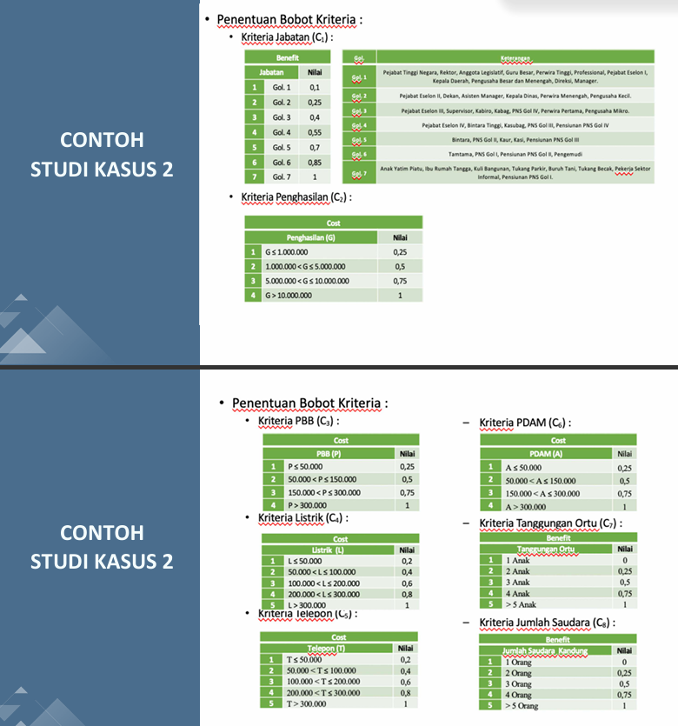
KRITERIA DAN BOBOT PENILAIAN
No | Kode | Nama Kriteria | Jenis | Bobot | Bobot (%) | Dasar Referensi
1 | C1 | Nilai TKDN + BMP (%) | Benefit | 0.30 | 30% | Kepmendag 2060/2025 – Min. TKDN 25%, BMP 40%
2 | C2 | Kapasitas RAM (GB) | Benefit | 0.25 | 25% | Kepmendag 2060/2025 – Spek Min RAM: 8 GB
3 | C3 | Kapasitas SSD (GB) | Benefit | 0.20 | 20% | Kepmendag 2060/2025 – Spek Min SSD: 256 GB
4 | C4 | Masa Garansi (Thn) | Benefit | 0.15 | 15% | Kepmendag 2060/2025 – Garansi minimal 1 tahun
5 | C5 | Harga Satuan (Rp) | Cost | 0.10 | 10% | Efisiensi anggaran TIK (Diktum Ketiga dan Keempat)
TOTAL BOBOT |  |  |  | 1.00 | 100%

RUMUS SAW: Benefit → r_ij = f_ij / MAX(f_ij) | Cost → r_ij = MIN(f_ij) / f_ij | V_i = Σ (W_j × r_ij)

TABEL FUZZY SETIAP KRITERIA

BENEFIT |  |  |  | BENEFIT
No | Nilai TKDN + BMP (%) | Nilai Fuzzy |  | No | Kapasitas RAM (GB) | Nilai Fuzzy
1 | TKDN < 45% | 0.25 |  | 1 | RAM = 8 GB | 0.25
2 | 45% ≤ TKDN < 50% | 0.50 |  | 2 | RAM = 16 GB | 0.50
3 | 50% ≤ TKDN < 55% | 0.75 |  | 3 | RAM = 32 GB | 0.75
4 | TKDN ≥ 55% | 1.00 |  | 4 | RAM > 32 GB | 1.00

BENEFIT |  |  |  | BENEFIT
No | Kapasitas SSD (GB) | Nilai Fuzzy |  | No | Masa Garansi (Tahun) | Nilai Fuzzy
1 | SSD = 256 GB | 0.33 |  | 1 | Garansi = 1 Tahun | 0.25
2 | SSD = 512 GB | 0.67 |  | 2 | Garansi = 2 Tahun | 0.50
3 | SSD ≥ 1024 GB (1 TB) | 1.00 |  | 3 | Garansi = 3 Tahun | 0.75
 |  |  |  | 4 | Garansi > 3 Tahun | 1.00

COST
No | Harga Satuan (Rp) | Nilai Fuzzy
1 | Harga ≤ Rp 11.000.000 | 0.25
2 | Rp 11 jt < Harga ≤ Rp 14 jt | 0.50
3 | Rp 14 jt < Harga ≤ Rp 17 jt | 0.75
4 | Harga > Rp 17.000.000 | 1.00

MATRIKS KEPUTUSAN
MATRIKS KEPUTUSAN (X) – DATA MENTAH SETIAP ALTERNATIF DAN KRITERIA
No | Kode | Nama Produk / Model | C1 TKDN + BMP (%) | C2 RAM (GB) | C3 SSD (GB) | C4 Garansi (Thn) | C5 Harga (Rp)
1 | A01 | Lenovo IdeaPad Slim 3 15IAH8 | 41.5 | 8 | 512 | 1 | 13,722,375
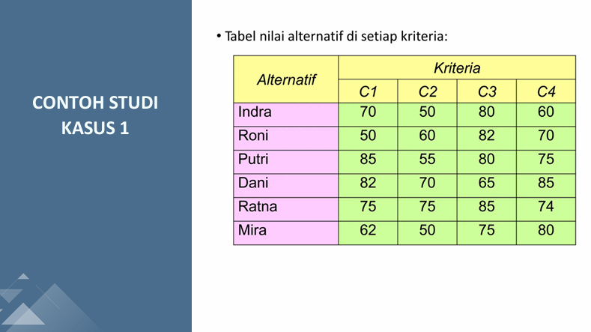
2 | A02 | Lenovo IdeaPad Slim 3 15IAN8 | 40 | 16 | 512 | 1 | 19,846,800
3 | A03 | Lenovo ThinkPad E14 Gen 5 | 38.2 | 16 | 512 | 1 | 14,088,731
4 | A04 | Lenovo ThinkPad L14 Gen 4 | 38.2 | 8 | 512 | 3 | 21,000,000
5 | A05 | Lenovo ThinkBook 14 G6 IRL | 37.8 | 8 | 512 | 2 | 13,900,000
6 | A06 | ASUS Vivobook Go 14 E1404FA | 44,45 | 8 | 512 | 1 | 14,041,500
7 | A07 | ASUS Vivobook 14 A1404ZA | 40.1 | 8 | 512 | 1 | 13,150,000
8 | A08 | ASUS Vivobook 15 X1504ZA | 40.1 | 8 | 512 | 1 | 11,488,500
9 | A09 | ASUS ExpertBook B1 B1402CVA-NK7110X | 41.3 | 16 | 1024 | 3 | 21,959,000
10 | A10 | ASUS ExpertBook B1 B1402CVA | 41.3 | 16 | 1024 | 3 | 22,199,000
11 | A11 | ASUS ExpertBook B5 B5402CVA | 41.3 | 8 | 512 | 1 | 25,752,000
12 | A12 | ASUS ExpertBook P1 P1403CVA | 45,32 | 8 | 512 | 2 | 9,967,000
13 | A13 | HP 14S EP0001TU/EP0002TU i5-1335U | 42.88 | 8 | 512 | 1 | 10,878,000
14 | A14 | HP 14S-DQ5567TU i3-1215U | 42.88 | 8 | 512 | 2 | 9,549,000
15 | A15 | HP 14S DQ5153TU i5-1235U | 42.88 | 8 | 512 | 1 | 13,492,050
16 | A16 | HP 14S DQ5152TU i5 1235U | 42.88 | 8 | 512 | 2 | 11,999,100
17 | A17 | HP 14s DQ5000TU i5-1240P | 42 | 8 | 512 | 2 | 14,349,999
18 | A18 | Acer TravelMate P214 Ryzen 5 PRO | 44.84 | 8 | 512 | 1 | 16,000,000
19 | A19 | Acer TravelMate P214 Intel Core 5 120U | 45.39 | 8 | 512 | 2 | 16,650,000
20 | A20 | Acer TravelMate P414 Core-i5-1240P | 44.67 | 16 | 512 | 3 | 22,089,000
21 | A21 | Acer TravelMate P214 Core-i5-0041 | 45.27 | 8 | 512 | 1 | 16,872,000
22 | A22 | Acer Travelmate P414 i7-1260P 106986 | 28.88 | 16 | 1000 | 1 | 38,694,600
23 | A23 | Acer Travelmate P414 Intel Core Ultra 7-155U | 43.75 | 16 | 1024 | 3 | 49,284,000
24 | A24 | Acer Travelmate P214 i5 82022 | 26.55 | 8 | 512 | 1 | 11,988,000
25 | A25 | Acer Travelmate P214 i5-1334U | 44.08 | 8 | 512 | 3 | 19,250,000
26 | A26 | Acer Travelmate P214 i7-1355U | 44 | 8 | 512 | 1 | 14,985,000
27 | A27 | Acer TravelMate P214 TMP214/0034 | 41.55 | 8 | 512 | 3 | 16,650,000
28 | A28 | Acer TravelMate P2 Core i3 | 44.22 | 8 | 512 | 1 | 12,232,200
29 | A29 | Acer Travelmate i5-1235U | 44.08 | 8 | 512 | 1 | 19,758,000
30 | A30 | Acer Travelmate i5-1135G7 | 44.08 | 8 | 512 | 1 | 11,182,000
31 | A31 | Acer TravelMate P2 TMP214 54 | 44.08 | 16 | 512 | 1 | 15,424,203
32 | A32 | Acer TravelMate P2 TMP214-54-5816 | 41.55 | 16 | 512 | 1 | 15,151,500
33 | A33 | Acer Travelmate P214 | 44.22 | 8 | 512 | 2 | 13,500,000
34 | A34 | Acer TravelMate P214 i7-1165G7 | 41.55 | 8 | 512 | 2 | 19,999,000
35 | A35 | Acer Travelmate P414 i7-1260P | 43.75 | 16 | 1024 | 3 | 31,635,000
36 | A36 | Axioo Mybook | 45.1 | 8 | 256 | 1 | 8,796,750
37 | A37 | Axioo Mybook Prime E7 (16N5-3) | 43.49 | 16 | 512 | 1 | 17,900,001
38 | A38 | Advan Workplus | 39.29 | 16 | 512 | 1 | 15,540,000
39 | A39 | Advan Workpro Lite Intel Core i5-12450H 14 IPS FHD | 25.04 | 8 | 512 | 1 | 12,500,000
40 | A40 | Advan WorkPro Core i5-12450H | 25.04 | 8 | 512 | 1 | 9,324,000
41 | A41 | Advan Workpro Lite Intel Core i5-12450H 14 | 25.04 | 8 | 256 | 1 | 7,500,000
42 | A42 | Zyrex Sky 232 Prime I5 1035G7 | 44.79 | 8 | 512 | 1 | 9,600,000
43 | A43 | Zyrex Sky 232 New | 44.79 | 4 | 256 | 1 | 4,582,000
44 | A44 | Zyrex Sky 232 Mini | 44.79 | 4 | 256 | 1 | 4,332,000
45 | A45 | ASUSVivobook Go 14 | 45.32 | 8 | 512 | 3 | 9,399,999
46 | A46 | Lenovo K14 G3 | 41.56 | 8 | 512 | 1 | 18,850,000
47 | A47 | ASUS Vivobook Go 14 E1404GA | 44.85 | 16 | 512 | 2 | 17,149,500
48 | A48 | ASUS Vivobook 14 A1404VAP | 44.87 | 16 | 512 | 2 | 15,873,000
49 | A49 | Advan Workplus R5 | 39.29 | 16 | 512 | 1 | 8,000,000
50 | A50 | Lenovo IdeaPad Slim 5 i7 | 41.46 | 16 | 512 | 1 | 18.648.000
51 | A51 | Advan Workplus R7 | 25.79 | 16 | 512 | 1 | 11,100,000
52 | A52 | Advan Workplus 12600H | 25.04 | 24 | 512 | 1 | 11,100,000
53 | A53 | Advan Workplus Ryzen 7 | 39.29 | 16 | 512 | 1 | 12,498,600
54 | A54 | HP 240R G9 | 41.45 | 8 | 256 | 1 | 14,699,001
55 | A55 | Asus Vivobook F1504ZA | 45.32 | 8 | 512 | 1 | 13,500,000
56 | A56 | Axioo Mybook Pro K7.2 | 44.81 | 16 | 1024 | 1 | 19,397,250
57 | A57 | ASUS ExpertBook BG1408CVA | 44.87 | 16 | 512 | 3 | 16,400,000
58 | A58 | Lenovo V14 G4 IRU | 41.45 | 8 | 512 | 1 | 17,345,000
59 | A59 | Lenovo Ideapad Slim 3 14IRH10 | 42.59 | 8 | 512 | 2 | 11,766,000
60 | A60 | ASUS ExpertBook BG1409CVA | 44.59 | 16 | 1024 | 2 | 18,426,000
61 | A61 | Asus Vivobook 15 F1504ZA | 39.85 | 8 | 512 | 1 | 15,698,730
62 | A62 | ASUS TUF F15 FX507Z | 45.18 | 8 | 512 | 2 | 15,873,000
63 | A63 | Lenovo IdeaPad Slim 3 14IRH8 | 40 | 8 | 512 | 1 | 11,877,000
64 | A64 | Axioo MyBook Pro 107 (8S5) | 44.97 | 8 | 512 | 1 | 19,092,000
65 | A65 | Advan S7 110S | 43.73 | 16 | 1024 | 1 | 18,250,000
66 | A66 | Advan W5-15S | 43.94 | 16 | 512 | 1 | 12,765,000
67 | A67 | Advan W5 85S | 43.94 | 8 | 512 | 1 | 12,700,000
68 | A68 | Advan SA716S10A | 40.4 | 16 | 1024 | 1 | 18,412,680
69 | A69 | Axioo 14-Mybook Pro L3 (8N2) | 47.34 | 8 | 256 | 1 | 13,530,900
70 | A70 | Axioo Mybook H5 | 48.68 | 8 | 512 | 1 | 11,211,000
71 | A71 | Acer TravelMate P214 AMD Ryzen 3 PRO 4450U | 41.55 | 8 | 256 | 1 | 9,990,000
72 | A72 | Acer TravelMate P214 AMD Ryzen 5 PRO 7535U | 44.84 | 8 | 512 | 3 | 28,820,000
73 | A73 | Acer TravelMate P214 AMD Ryzen 5 PRO 4650U | 44.84 | 8 | 512 | 1 | 15,316,890
74 | A74 | Acer TravelMate P214 i3-100U | 44.22 | 8 | 512 | 1 | 11,984,670
75 | A75 | Acer TravelMate P214 i3-1315U | 44.22 | 8 | 512 | 2 | 14,850,000
MAX (Benefit) / MIN (Cost) |  |  | 48.68 | 24 | 1024 | 3 | 4,332,000

NORMALISASI
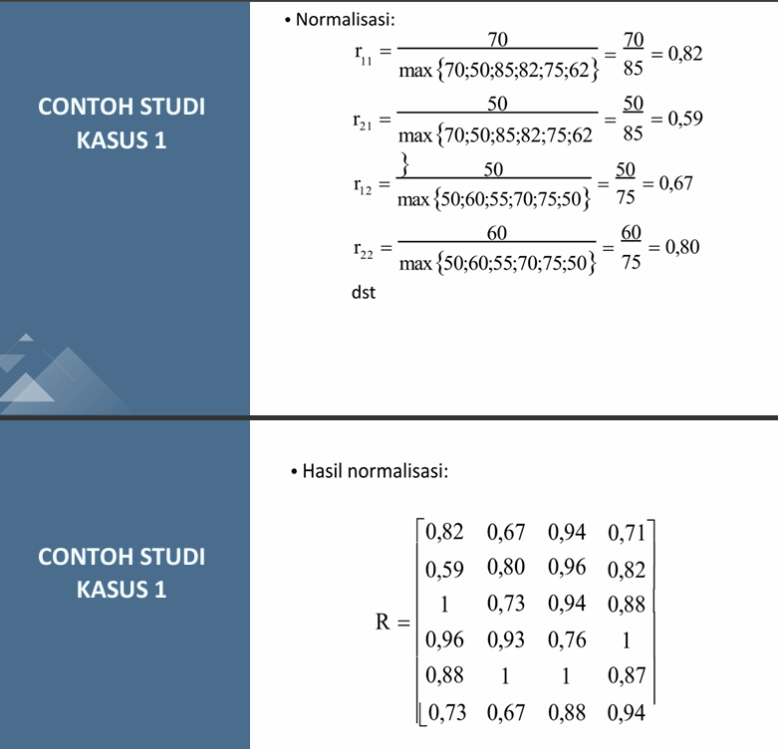
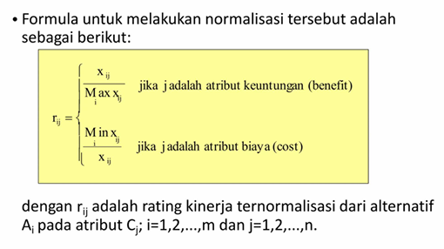
MATRIKS NORMALISASI (R)
MAX nilai fuzzy Benefit = 1,00 → r_ij = f_ij / 1 = f_ij | MIN nilai fuzzy Cost = 0,25 → r_ij = 0,25 / f_ij
No | Kode | Nama Produk / Model | r_C1 TKDN+BMP | r_C2 RAM | r_C3 SSD | r_C4 Garansi | r_C5 Harga
1 | A01 | Lenovo IdeaPad Slim 3 15IAH8 | 0.2500 | 0.2500 | 0.6700 | 0.2500 | 0.5000
2 | A02 | Lenovo IdeaPad Slim 3 15IAN8 | 0.2500 | 0.5000 | 0.6700 | 0.2500 | 0.2500
3 | A03 | Lenovo ThinkPad E14 Gen 5 | 0.2500 | 0.5000 | 0.6700 | 0.2500 | 0.3333
4 | A04 | Lenovo ThinkPad L14 Gen 4 | 0.2500 | 0.2500 | 0.6700 | 0.7500 | 0.2500
5 | A05 | Lenovo ThinkBook 14 G6 IRL | 0.2500 | 0.2500 | 0.6700 | 0.5000 | 0.5000
6 | A06 | ASUS Vivobook Go 14 E1404FA | 1.0000 | 0.2500 | 0.6700 | 0.2500 | 0.3333
7 | A07 | ASUS Vivobook 14 A1404ZA | 0.2500 | 0.2500 | 0.6700 | 0.2500 | 0.5000
8 | A08 | ASUS Vivobook 15 X1504ZA | 0.2500 | 0.2500 | 0.6700 | 0.2500 | 0.5000
9 | A09 | ASUS ExpertBook B1 B1402CVA-NK7110X | 0.2500 | 0.5000 | 1.0000 | 0.7500 | 0.2500
10 | A10 | ASUS ExpertBook B1 B1402CVA | 0.2500 | 0.5000 | 1.0000 | 0.7500 | 0.2500
11 | A11 | ASUS ExpertBook B5 B5402CVA | 0.2500 | 0.2500 | 0.6700 | 0.2500 | 0.2500
12 | A12 | ASUS ExpertBook P1 P1403CVA | 1.0000 | 0.2500 | 0.6700 | 0.5000 | 1.0000
13 | A13 | HP 14S EP0001TU/EP0002TU i5-1335U | 0.2500 | 0.2500 | 0.6700 | 0.2500 | 1.0000
14 | A14 | HP 14S-DQ5567TU i3-1215U | 0.2500 | 0.2500 | 0.6700 | 0.5000 | 1.0000
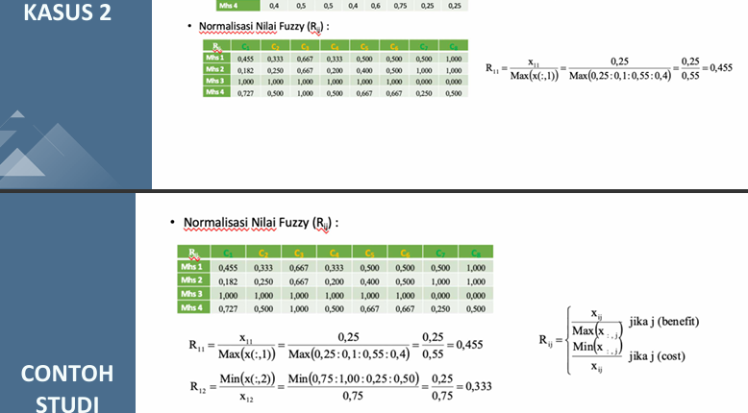
15 | A15 | HP 14S DQ5153TU i5-1235U | 0.2500 | 0.2500 | 0.6700 | 0.2500 | 0.5000
16 | A16 | HP 14S DQ5152TU i5 1235U | 0.2500 | 0.2500 | 0.6700 | 0.5000 | 0.5000
17 | A17 | HP 14s DQ5000TU i5-1240P | 0.2500 | 0.2500 | 0.6700 | 0.5000 | 0.3333
18 | A18 | Acer TravelMate P214 Ryzen 5 PRO | 0.2500 | 0.2500 | 0.6700 | 0.2500 | 0.3333
19 | A19 | Acer TravelMate P214 Intel Core 5 120U | 0.5000 | 0.2500 | 0.6700 | 0.5000 | 0.3333
20 | A20 | Acer TravelMate P414 Core-i5-1240P | 0.2500 | 0.5000 | 0.6700 | 0.7500 | 0.2500
21 | A21 | Acer TravelMate P214 Core-i5-0041 | 0.5000 | 0.2500 | 0.6700 | 0.2500 | 0.3333
22 | A22 | Acer Travelmate P414 i7-1260P 106986 | 0.2500 | 0.5000 | 1.0000 | 0.2500 | 0.2500
23 | A23 | Acer Travelmate P414 Intel Core Ultra 7-155U | 0.2500 | 0.5000 | 1.0000 | 0.7500 | 0.2500
24 | A24 | Acer Travelmate P214 i5 82022 | 0.2500 | 0.2500 | 0.6700 | 0.2500 | 0.5000
25 | A25 | Acer Travelmate P214 i5-1334U | 0.2500 | 0.2500 | 0.6700 | 0.7500 | 0.2500
26 | A26 | Acer Travelmate P214 i7-1355U | 0.2500 | 0.2500 | 0.6700 | 0.2500 | 0.3333
27 | A27 | Acer TravelMate P214 TMP214/0034 | 0.2500 | 0.2500 | 0.6700 | 0.7500 | 0.3333
28 | A28 | Acer TravelMate P2 Core i3 | 0.2500 | 0.2500 | 0.6700 | 0.2500 | 0.5000
29 | A29 | Acer Travelmate i5-1235U | 0.2500 | 0.2500 | 0.6700 | 0.2500 | 0.2500
30 | A30 | Acer Travelmate i5-1135G7 | 0.2500 | 0.2500 | 0.6700 | 0.2500 | 0.5000
31 | A31 | Acer TravelMate P2 TMP214 54 | 0.2500 | 0.5000 | 0.6700 | 0.2500 | 0.3333
32 | A32 | Acer TravelMate P2 TMP214-54-5816 | 0.2500 | 0.5000 | 0.6700 | 0.2500 | 0.3333
33 | A33 | Acer Travelmate P214 | 0.2500 | 0.2500 | 0.6700 | 0.5000 | 0.5000
34 | A34 | Acer TravelMate P214 i7-1165G7 | 0.2500 | 0.2500 | 0.6700 | 0.5000 | 0.2500
35 | A35 | Acer Travelmate P414 i7-1260P | 0.2500 | 0.5000 | 1.0000 | 0.7500 | 0.2500
36 | A36 | Axioo Mybook | 0.5000 | 0.2500 | 0.3300 | 0.2500 | 1.0000
37 | A37 | Axioo Mybook Prime E7 (16N5-3) | 0.2500 | 0.5000 | 0.6700 | 0.2500 | 0.2500
38 | A38 | Advan Workplus | 0.2500 | 0.5000 | 0.6700 | 0.2500 | 0.3333
39 | A39 | Advan Workpro Lite Intel Core i5-12450H 14 IPS FHD | 0.2500 | 0.2500 | 0.6700 | 0.2500 | 0.5000
40 | A40 | Advan WorkPro Core i5-12450H | 0.2500 | 0.2500 | 0.6700 | 0.2500 | 1.0000
41 | A41 | Advan Workpro Lite Intel Core i5-12450H 14 | 0.2500 | 0.2500 | 0.3300 | 0.2500 | 1.0000
42 | A42 | Zyrex Sky 232 Prime I5 1035G7 | 0.2500 | 0.2500 | 0.6700 | 0.2500 | 1.0000
43 | A43 | Zyrex Sky 232 New | 0.2500 | 0.2500 | 0.3300 | 0.2500 | 1.0000
44 | A44 | Zyrex Sky 232 Mini | 0.2500 | 0.2500 | 0.3300 | 0.2500 | 1.0000
45 | A45 | ASUSVivobook Go 14 | 0.5000 | 0.2500 | 0.6700 | 0.7500 | 1.0000
46 | A46 | Lenovo K14 G3 | 0.2500 | 0.2500 | 0.6700 | 0.2500 | 0.2500
47 | A47 | ASUS Vivobook Go 14 E1404GA | 0.2500 | 0.5000 | 0.6700 | 0.5000 | 0.2500
48 | A48 | ASUS Vivobook 14 A1404VAP | 0.2500 | 0.5000 | 0.6700 | 0.5000 | 0.3333
49 | A49 | Advan Workplus R5 | 0.2500 | 0.5000 | 0.6700 | 0.2500 | 1.0000
50 | A50 | Lenovo IdeaPad Slim 5 i7 | 0.2500 | 0.5000 | 0.6700 | 0.2500 | 0.2500
51 | A51 | Advan Workplus R7 | 0.2500 | 0.5000 | 0.6700 | 0.2500 | 0.5000
52 | A52 | Advan Workplus 12600H | 0.2500 | 0.7500 | 0.6700 | 0.2500 | 0.5000
53 | A53 | Advan Workplus Ryzen 7 | 0.2500 | 0.5000 | 0.6700 | 0.2500 | 0.5000
54 | A54 | HP 240R G9 | 0.2500 | 0.2500 | 0.3300 | 0.2500 | 0.3333
55 | A55 | Asus Vivobook F1504ZA | 0.5000 | 0.2500 | 0.6700 | 0.2500 | 0.5000
56 | A56 | Axioo Mybook Pro K7.2 | 0.2500 | 0.5000 | 1.0000 | 0.2500 | 0.2500
57 | A57 | ASUS ExpertBook BG1408CVA | 0.2500 | 0.5000 | 0.6700 | 0.7500 | 0.3333
58 | A58 | Lenovo V14 G4 IRU | 0.2500 | 0.2500 | 0.6700 | 0.2500 | 0.2500
59 | A59 | Lenovo Ideapad Slim 3 14IRH10 | 0.2500 | 0.2500 | 0.6700 | 0.5000 | 0.5000
60 | A60 | ASUS ExpertBook BG1409CVA | 0.2500 | 0.5000 | 1.0000 | 0.5000 | 0.2500
61 | A61 | Asus Vivobook 15 F1504ZA | 0.2500 | 0.2500 | 0.6700 | 0.2500 | 0.3333
62 | A62 | ASUS TUF F15 FX507Z | 0.5000 | 0.2500 | 0.6700 | 0.5000 | 0.3333
63 | A63 | Lenovo IdeaPad Slim 3 14IRH8 | 0.2500 | 0.2500 | 0.6700 | 0.2500 | 0.5000
64 | A64 | Axioo MyBook Pro 107 (8S5) | 0.2500 | 0.2500 | 0.6700 | 0.2500 | 0.2500
65 | A65 | Advan S7 110S | 0.2500 | 0.5000 | 1.0000 | 0.2500 | 0.2500
66 | A66 | Advan W5-15S | 0.2500 | 0.5000 | 0.6700 | 0.2500 | 0.5000
67 | A67 | Advan W5 85S | 0.2500 | 0.2500 | 0.6700 | 0.2500 | 0.5000
68 | A68 | Advan SA716S10A | 0.2500 | 0.5000 | 1.0000 | 0.2500 | 0.2500
69 | A69 | Axioo 14-Mybook Pro L3 (8N2) | 0.5000 | 0.2500 | 0.3300 | 0.2500 | 0.5000
70 | A70 | Axioo Mybook H5 | 0.5000 | 0.2500 | 0.6700 | 0.2500 | 0.5000
71 | A71 | Acer TravelMate P214 AMD Ryzen 3 PRO 4450U | 0.2500 | 0.2500 | 0.3300 | 0.2500 | 1.0000
72 | A72 | Acer TravelMate P214 AMD Ryzen 5 PRO 7535U | 0.2500 | 0.2500 | 0.6700 | 0.7500 | 0.2500
73 | A73 | Acer TravelMate P214 AMD Ryzen 5 PRO 4650U | 0.2500 | 0.2500 | 0.6700 | 0.2500 | 0.3333
74 | A74 | Acer TravelMate P214 i3-100U | 0.2500 | 0.2500 | 0.6700 | 0.2500 | 0.5000
75 | A75 | Acer TravelMate P214 i3-1315U | 0.2500 | 0.2500 | 0.6700 | 0.5000 | 0.3333

NILAI PREFERENSI & RANKING
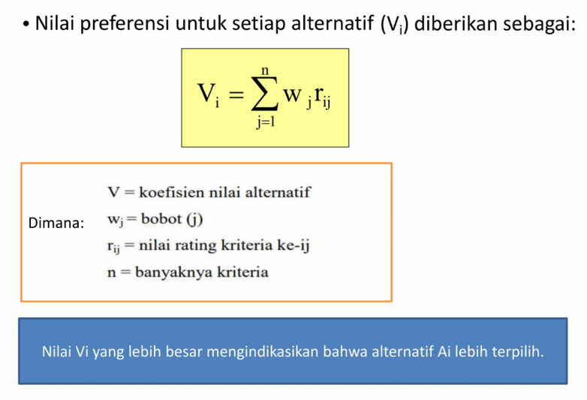
NILAI PREFERENSI (V_i) DAN RANKING
Bobot (W_j): |  |  | 0.30 | 0.25 | 0.20 | 0.15 | 0.10
No | Kode | Nama Produk / Model | W×r_C1 TKDN + BMP | W×r_C2 RAM | W×r_C3 SSD | W×r_C4 Garansi | W×r_C5 Harga | V_i (Nilai Preferensi) | RANK | RANK Unik
1 | A01 | Lenovo IdeaPad Slim 3 15IAH8 | 0.0750 | 0.0625 | 0.1340 | 0.0375 | 0.0500 | 0.3590 | 51 | 51
2 | A02 | Lenovo IdeaPad Slim 3 15IAN8 | 0.0750 | 0.1250 | 0.1340 | 0.0375 | 0.0250 | 0.3965 | 40 | 40
3 | A03 | Lenovo ThinkPad E14 Gen 5 | 0.0750 | 0.1250 | 0.1340 | 0.0375 | 0.0333 | 0.4048 | 36 | 36
4 | A04 | Lenovo ThinkPad L14 Gen 4 | 0.0750 | 0.0625 | 0.1340 | 0.1125 | 0.0250 | 0.4090 | 30 | 30
5 | A05 | Lenovo ThinkBook 14 G6 IRL | 0.0750 | 0.0625 | 0.1340 | 0.0750 | 0.0500 | 0.3965 | 40 | 41
6 | A06 | ASUS Vivobook Go 14 E1404FA | 0.3000 | 0.0625 | 0.1340 | 0.0375 | 0.0333 | 0.5673 | 2 | 2
7 | A07 | ASUS Vivobook 14 A1404ZA | 0.0750 | 0.0625 | 0.1340 | 0.0375 | 0.0500 | 0.3590 | 51 | 52
8 | A08 | ASUS Vivobook 15 X1504ZA | 0.0750 | 0.0625 | 0.1340 | 0.0375 | 0.0500 | 0.3590 | 51 | 53
9 | A09 | ASUS ExpertBook B1 B1402CVA-NK7110X | 0.0750 | 0.1250 | 0.2000 | 0.1125 | 0.0250 | 0.5375 | 4 | 4
10 | A10 | ASUS ExpertBook B1 B1402CVA | 0.0750 | 0.1250 | 0.2000 | 0.1125 | 0.0250 | 0.5375 | 4 | 5
11 | A11 | ASUS ExpertBook B5 B5402CVA | 0.0750 | 0.0625 | 0.1340 | 0.0375 | 0.0250 | 0.3340 | 70 | 70
12 | A12 | ASUS ExpertBook P1 P1403CVA | 0.3000 | 0.0625 | 0.1340 | 0.0750 | 0.1000 | 0.6715 | 1 | 1
13 | A13 | HP 14S EP0001TU/EP0002TU i5-1335U | 0.0750 | 0.0625 | 0.1340 | 0.0375 | 0.1000 | 0.4090 | 30 | 31
14 | A14 | HP 14S-DQ5567TU i3-1215U | 0.0750 | 0.0625 | 0.1340 | 0.0750 | 0.1000 | 0.4465 | 19 | 19
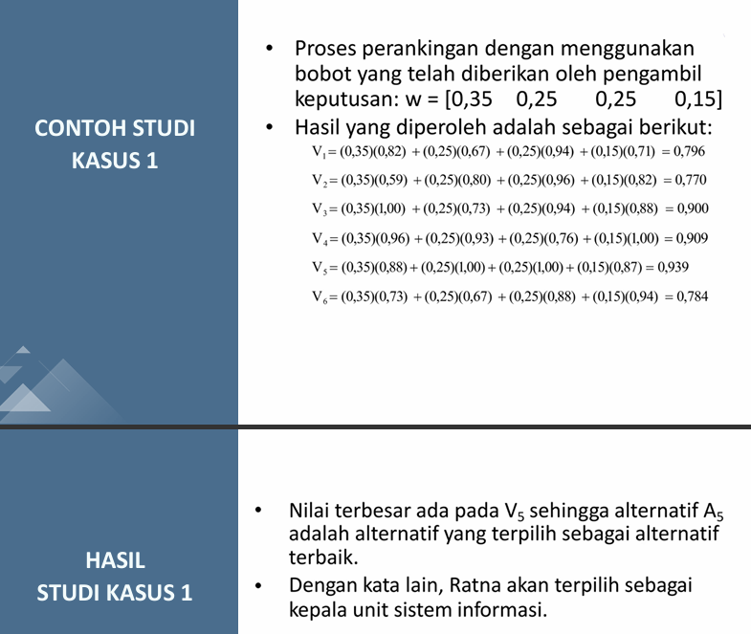
15 | A15 | HP 14S DQ5153TU i5-1235U | 0.0750 | 0.0625 | 0.1340 | 0.0375 | 0.0500 | 0.3590 | 51 | 54
16 | A16 | HP 14S DQ5152TU i5 1235U | 0.0750 | 0.0625 | 0.1340 | 0.0750 | 0.0500 | 0.3965 | 40 | 42
17 | A17 | HP 14s DQ5000TU i5-1240P | 0.0750 | 0.0625 | 0.1340 | 0.0750 | 0.0333 | 0.3798 | 47 | 47
18 | A18 | Acer TravelMate P214 Ryzen 5 PRO | 0.0750 | 0.0625 | 0.1340 | 0.0375 | 0.0333 | 0.3423 | 62 | 62
19 | A19 | Acer TravelMate P214 Intel Core 5 120U | 0.1500 | 0.0625 | 0.1340 | 0.0750 | 0.0333 | 0.4548 | 17 | 17
20 | A20 | Acer TravelMate P414 Core-i5-1240P | 0.0750 | 0.1250 | 0.1340 | 0.1125 | 0.0250 | 0.4715 | 11 | 11
21 | A21 | Acer TravelMate P214 Core-i5-0041 | 0.1500 | 0.0625 | 0.1340 | 0.0375 | 0.0333 | 0.4173 | 27 | 27
22 | A22 | Acer Travelmate P414 i7-1260P 106986 | 0.0750 | 0.1250 | 0.2000 | 0.0375 | 0.0250 | 0.4625 | 13 | 13
23 | A23 | Acer Travelmate P414 Intel Core Ultra 7-155U | 0.0750 | 0.1250 | 0.2000 | 0.1125 | 0.0250 | 0.5375 | 4 | 6
24 | A24 | Acer Travelmate P214 i5 82022 | 0.0750 | 0.0625 | 0.1340 | 0.0375 | 0.0500 | 0.3590 | 51 | 55
25 | A25 | Acer Travelmate P214 i5-1334U | 0.0750 | 0.0625 | 0.1340 | 0.1125 | 0.0250 | 0.4090 | 30 | 32
26 | A26 | Acer Travelmate P214 i7-1355U | 0.0750 | 0.0625 | 0.1340 | 0.0375 | 0.0333 | 0.3423 | 62 | 63
27 | A27 | Acer TravelMate P214 TMP214/0034 | 0.0750 | 0.0625 | 0.1340 | 0.1125 | 0.0333 | 0.4173 | 27 | 28
28 | A28 | Acer TravelMate P2 Core i3 | 0.0750 | 0.0625 | 0.1340 | 0.0375 | 0.0500 | 0.3590 | 51 | 56
29 | A29 | Acer Travelmate i5-1235U | 0.0750 | 0.0625 | 0.1340 | 0.0375 | 0.0250 | 0.3340 | 70 | 71
30 | A30 | Acer Travelmate i5-1135G7 | 0.0750 | 0.0625 | 0.1340 | 0.0375 | 0.0500 | 0.3590 | 51 | 57
31 | A31 | Acer TravelMate P2 TMP214 54 | 0.0750 | 0.1250 | 0.1340 | 0.0375 | 0.0333 | 0.4048 | 36 | 37
32 | A32 | Acer TravelMate P2 TMP214-54-5816 | 0.0750 | 0.1250 | 0.1340 | 0.0375 | 0.0333 | 0.4048 | 36 | 38
33 | A33 | Acer Travelmate P214 | 0.0750 | 0.0625 | 0.1340 | 0.0750 | 0.0500 | 0.3965 | 40 | 43
34 | A34 | Acer TravelMate P214 i7-1165G7 | 0.0750 | 0.0625 | 0.1340 | 0.0750 | 0.0250 | 0.3715 | 49 | 49
35 | A35 | Acer Travelmate P414 i7-1260P | 0.0750 | 0.1250 | 0.2000 | 0.1125 | 0.0250 | 0.5375 | 4 | 7
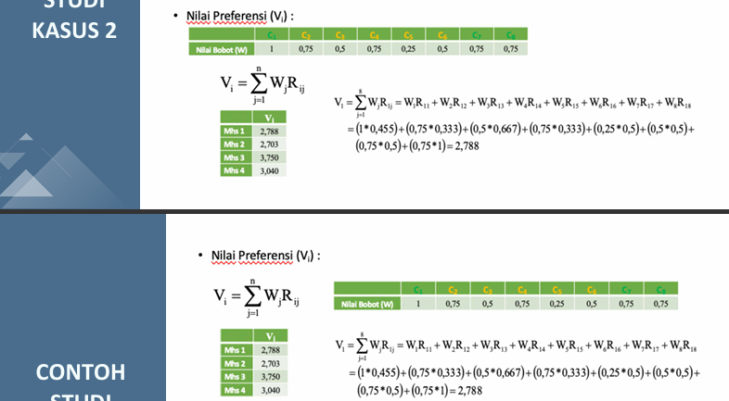
36 | A36 | Axioo Mybook | 0.1500 | 0.0625 | 0.0660 | 0.0375 | 0.1000 | 0.4160 | 29 | 29
37 | A37 | Axioo Mybook Prime E7 (16N5-3) | 0.0750 | 0.1250 | 0.1340 | 0.0375 | 0.0250 | 0.3965 | 40 | 44
38 | A38 | Advan Workplus | 0.0750 | 0.1250 | 0.1340 | 0.0375 | 0.0333 | 0.4048 | 36 | 39
39 | A39 | Advan Workpro Lite Intel Core i5-12450H 14 IPS FHD | 0.0750 | 0.0625 | 0.1340 | 0.0375 | 0.0500 | 0.3590 | 51 | 58
40 | A40 | Advan WorkPro Core i5-12450H | 0.0750 | 0.0625 | 0.1340 | 0.0375 | 0.1000 | 0.4090 | 30 | 33
41 | A41 | Advan Workpro Lite Intel Core i5-12450H 14 | 0.0750 | 0.0625 | 0.0660 | 0.0375 | 0.1000 | 0.3410 | 66 | 66
42 | A42 | Zyrex Sky 232 Prime I5 1035G7 | 0.0750 | 0.0625 | 0.1340 | 0.0375 | 0.1000 | 0.4090 | 30 | 34
43 | A43 | Zyrex Sky 232 New | 0.0750 | 0.0625 | 0.0660 | 0.0375 | 0.1000 | 0.3410 | 66 | 67
44 | A44 | Zyrex Sky 232 Mini | 0.0750 | 0.0625 | 0.0660 | 0.0375 | 0.1000 | 0.3410 | 66 | 68
45 | A45 | ASUSVivobook Go 14 | 0.1500 | 0.0625 | 0.1340 | 0.1125 | 0.1000 | 0.5590 | 3 | 3
46 | A46 | Lenovo K14 G3 | 0.0750 | 0.0625 | 0.1340 | 0.0375 | 0.0250 | 0.3340 | 70 | 72
47 | A47 | ASUS Vivobook Go 14 E1404GA | 0.0750 | 0.1250 | 0.1340 | 0.0750 | 0.0250 | 0.4340 | 21 | 21
48 | A48 | ASUS Vivobook 14 A1404VAP | 0.0750 | 0.1250 | 0.1340 | 0.0750 | 0.0333 | 0.4423 | 20 | 20
49 | A49 | Advan Workplus R5 | 0.0750 | 0.1250 | 0.1340 | 0.0375 | 0.1000 | 0.4715 | 11 | 12
50 | A50 | Lenovo IdeaPad Slim 5 i7 | 0.0750 | 0.1250 | 0.1340 | 0.0375 | 0.0250 | 0.3965 | 40 | 45
51 | A51 | Advan Workplus R7 | 0.0750 | 0.1250 | 0.1340 | 0.0375 | 0.0500 | 0.4215 | 24 | 24
52 | A52 | Advan Workplus 12600H | 0.0750 | 0.1875 | 0.1340 | 0.0375 | 0.0500 | 0.4840 | 9 | 9
53 | A53 | Advan Workplus Ryzen 7 | 0.0750 | 0.1250 | 0.1340 | 0.0375 | 0.0500 | 0.4215 | 24 | 25
54 | A54 | HP 240R G9 | 0.0750 | 0.0625 | 0.0660 | 0.0375 | 0.0333 | 0.2743 | 75 | 75
55 | A55 | Asus Vivobook F1504ZA | 0.1500 | 0.0625 | 0.1340 | 0.0375 | 0.0500 | 0.4340 | 21 | 22
56 | A56 | Axioo Mybook Pro K7.2 | 0.0750 | 0.1250 | 0.2000 | 0.0375 | 0.0250 | 0.4625 | 13 | 14
57 | A57 | ASUS ExpertBook BG1408CVA | 0.0750 | 0.1250 | 0.1340 | 0.1125 | 0.0333 | 0.4798 | 10 | 10
58 | A58 | Lenovo V14 G4 IRU | 0.0750 | 0.0625 | 0.1340 | 0.0375 | 0.0250 | 0.3340 | 70 | 73
59 | A59 | Lenovo Ideapad Slim 3 14IRH10 | 0.0750 | 0.0625 | 0.1340 | 0.0750 | 0.0500 | 0.3965 | 40 | 46
60 | A60 | ASUS ExpertBook BG1409CVA | 0.0750 | 0.1250 | 0.2000 | 0.0750 | 0.0250 | 0.5000 | 8 | 8
61 | A61 | Asus Vivobook 15 F1504ZA | 0.0750 | 0.0625 | 0.1340 | 0.0375 | 0.0333 | 0.3423 | 62 | 64
62 | A62 | ASUS TUF F15 FX507Z | 0.1500 | 0.0625 | 0.1340 | 0.0750 | 0.0333 | 0.4548 | 17 | 18
63 | A63 | Lenovo IdeaPad Slim 3 14IRH8 | 0.0750 | 0.0625 | 0.1340 | 0.0375 | 0.0500 | 0.3590 | 51 | 59
64 | A64 | Axioo MyBook Pro 107 (8S5) | 0.0750 | 0.0625 | 0.1340 | 0.0375 | 0.0250 | 0.3340 | 70 | 74
65 | A65 | Advan S7 110S | 0.0750 | 0.1250 | 0.2000 | 0.0375 | 0.0250 | 0.4625 | 13 | 15
66 | A66 | Advan W5-15S | 0.0750 | 0.1250 | 0.1340 | 0.0375 | 0.0500 | 0.4215 | 24 | 26
67 | A67 | Advan W5 85S | 0.0750 | 0.0625 | 0.1340 | 0.0375 | 0.0500 | 0.3590 | 51 | 60
68 | A68 | Advan SA716S10A | 0.0750 | 0.1250 | 0.2000 | 0.0375 | 0.0250 | 0.4625 | 13 | 16
69 | A69 | Axioo 14-Mybook Pro L3 (8N2) | 0.1500 | 0.0625 | 0.0660 | 0.0375 | 0.0500 | 0.3660 | 50 | 50
70 | A70 | Axioo Mybook H5 | 0.1500 | 0.0625 | 0.1340 | 0.0375 | 0.0500 | 0.4340 | 21 | 23
71 | A71 | Acer TravelMate P214 AMD Ryzen 3 PRO 4450U | 0.0750 | 0.0625 | 0.0660 | 0.0375 | 0.1000 | 0.3410 | 66 | 69
72 | A72 | Acer TravelMate P214 AMD Ryzen 5 PRO 7535U | 0.0750 | 0.0625 | 0.1340 | 0.1125 | 0.0250 | 0.4090 | 30 | 35
73 | A73 | Acer TravelMate P214 AMD Ryzen 5 PRO 4650U | 0.0750 | 0.0625 | 0.1340 | 0.0375 | 0.0333 | 0.3423 | 62 | 65
74 | A74 | Acer TravelMate P214 i3-100U | 0.0750 | 0.0625 | 0.1340 | 0.0375 | 0.0500 | 0.3590 | 51 | 61
75 | A75 | Acer TravelMate P214 i3-1315U | 0.0750 | 0.0625 | 0.1340 | 0.0750 | 0.0333 | 0.3798 | 47 | 48

HASIL AKHIR
HASIL AKHIR – RANKING LAPTOP TERBAIK BERDASARKAN METODE SAW
Data diurutkan berdasarkan nilai preferensi V_i tertinggi → terendah (SMALL/LARGE formula menggunakan helper kolom)

RANK | Kode | Nama Produk / Model | Merek | C1 TKDN + BMP (%) | C2 RAM (GB) | C3 SSD (GB) | C4 Garansi (Thn) | C5 Harga (Rp) | V_i (Nilai Preferensi) | KETERANGAN
1 | A12 | ASUS ExpertBook P1 P1403CVA | ASUS | 45,32 | 8 | 512 | 2 | 9,967,000 | 0.6715 | 1
2 | A06 | ASUS Vivobook Go 14 E1404FA | ASUS | 44,45 | 8 | 512 | 1 | 14,041,500 | 0.5673 | 2
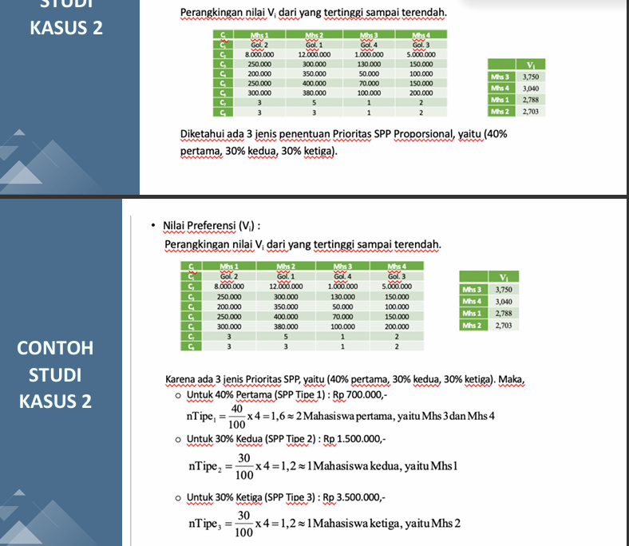
3 | A45 | ASUSVivobook Go 14 | ASUS | 45.3 | 8 | 512 | 3 | 9,399,999 | 0.5590 | 3
4 | A09 | ASUS ExpertBook B1 B1402CVA-NK7110X | ASUS | 41.3 | 16 | 1024 | 3 | 21,959,000 | 0.5375 | Rekomendasi
5 | A10 | ASUS ExpertBook B1 B1402CVA | ASUS | 41.3 | 16 | 1024 | 3 | 22,199,000 | 0.5375 | Rekomendasi
6 | A23 | Acer Travelmate P414 Intel Core Ultra 7-155U | Acer | 43.8 | 16 | 1024 | 3 | 49,284,000 | 0.5375 | Rekomendasi
7 | A35 | Acer Travelmate P414 i7-1260P | Acer | 43.8 | 16 | 1024 | 3 | 31,635,000 | 0.5375 | Rekomendasi
8 | A60 | ASUS ExpertBook BG1409CVA | Asus | 44.6 | 16 | 1024 | 2 | 18,426,000 | 0.5000 | Rekomendasi
9 | A52 | Advan Workplus 12600H | Advan | 25.0 | 24 | 512 | 1 | 11,100,000 | 0.4840 | Rekomendasi
10 | A57 | ASUS ExpertBook BG1408CVA | ASUS | 44.9 | 16 | 512 | 3 | 16,400,000 | 0.4798 | Rekomendasi
11 | A20 | Acer TravelMate P414 Core-i5-1240P | Acer | 44.7 | 16 | 512 | 3 | 22,089,000 | 0.4715 | Memenuhi syarat
12 | A49 | Advan Workplus R5 | Advan | 39.3 | 16 | 512 | 1 | 8,000,000 | 0.4715 | Memenuhi syarat
13 | A22 | Acer Travelmate P414 i7-1260P 106986 | Acer | 28.9 | 16 | 1000 | 1 | 38,694,600 | 0.4625 | Memenuhi syarat
14 | A56 | Axioo Mybook Pro K7.2 | Axioo | 44.8 | 16 | 1024 | 1 | 19,397,250 | 0.4625 | Memenuhi syarat
15 | A65 | Advan S7 110S | Advan | 43.7 | 16 | 1024 | 1 | 18,250,000 | 0.4625 | Memenuhi syarat
16 | A68 | Advan SA716S10A | Advan | 40.4 | 16 | 1024 | 1 | 18,412,680 | 0.4625 | Memenuhi syarat
17 | A19 | Acer TravelMate P214 Intel Core 5 120U | Acer | 45.4 | 8 | 512 | 2 | 16,650,000 | 0.4548 | Memenuhi syarat
18 | A62 | ASUS TUF F15 FX507Z | Asus | 45.2 | 8 | 512 | 2 | 15,873,000 | 0.4548 | Memenuhi syarat
19 | A14 | HP 14S-DQ5567TU i3-1215U | HP | 42.9 | 8 | 512 | 2 | 9,549,000 | 0.4465 | Memenuhi syarat
20 | A48 | ASUS Vivobook 14 A1404VAP | ASUS | 44.9 | 16 | 512 | 2 | 15,873,000 | 0.4423 | Memenuhi syarat
21 | A47 | ASUS Vivobook Go 14 E1404GA | ASUS | 44.9 | 16 | 512 | 2 | 17,149,500 | 0.4340 | Memenuhi syarat
22 | A55 | Asus Vivobook F1504ZA | Asus | 45.3 | 8 | 512 | 1 | 13,500,000 | 0.4340 | Memenuhi syarat
23 | A70 | Axioo Mybook H5 | Axioo | 48.7 | 8 | 512 | 1 | 11,211,000 | 0.4340 | Memenuhi syarat
24 | A51 | Advan Workplus R7 | Advan | 25.8 | 16 | 512 | 1 | 11,100,000 | 0.4215 | Memenuhi syarat
25 | A53 | Advan Workplus Ryzen 7 | Advan | 39.3 | 16 | 512 | 1 | 12,498,600 | 0.4215 | Memenuhi syarat
26 | A66 | Advan W5-15S | Advan | 43.9 | 16 | 512 | 1 | 12,765,000 | 0.4215 | Memenuhi syarat
27 | A21 | Acer TravelMate P214 Core-i5-0041 | Acer | 45.3 | 8 | 512 | 1 | 16,872,000 | 0.4173 | Memenuhi syarat
28 | A27 | Acer TravelMate P214 TMP214/0034 | Acer | 41.6 | 8 | 512 | 3 | 16,650,000 | 0.4173 | Memenuhi syarat
29 | A36 | Axioo Mybook | Axioo | 45.1 | 8 | 256 | 1 | 8,796,750 | 0.4160 | Memenuhi syarat
30 | A04 | Lenovo ThinkPad L14 Gen 4 | Lenovo | 38.2 | 8 | 512 | 3 | 21,000,000 | 0.4090 | Memenuhi syarat
31 | A13 | HP 14S EP0001TU/EP0002TU i5-1335U | HP | 42.9 | 8 | 512 | 1 | 10,878,000 | 0.4090 | Memenuhi syarat
32 | A25 | Acer Travelmate P214 i5-1334U | Acer | 44.1 | 8 | 512 | 3 | 19,250,000 | 0.4090 | Memenuhi syarat
33 | A40 | Advan WorkPro Core i5-12450H | Advan | 25.0 | 8 | 512 | 1 | 9,324,000 | 0.4090 | Memenuhi syarat
34 | A42 | Zyrex Sky 232 Prime I5 1035G7 | Zyrex | 44.8 | 8 | 512 | 1 | 9,600,000 | 0.4090 | Memenuhi syarat
35 | A72 | Acer TravelMate P214 AMD Ryzen 5 PRO 7535U | Acer | 44.8 | 8 | 512 | 3 | 28,820,000 | 0.4090 | Memenuhi syarat
36 | A03 | Lenovo ThinkPad E14 Gen 5 | Lenovo | 38.2 | 16 | 512 | 1 | 14,088,731 | 0.4048 | Memenuhi syarat
37 | A31 | Acer TravelMate P2 TMP214 54 | Acer | 44.1 | 16 | 512 | 1 | 15,424,203 | 0.4048 | Memenuhi syarat
38 | A32 | Acer TravelMate P2 TMP214-54-5816 | Acer | 41.6 | 16 | 512 | 1 | 15,151,500 | 0.4048 | Memenuhi syarat
39 | A38 | Advan Workplus | Advan | 39.3 | 16 | 512 | 1 | 15,540,000 | 0.4048 | Memenuhi syarat
40 | A02 | Lenovo IdeaPad Slim 3 15IAN8 | Lenovo | 40.0 | 16 | 512 | 1 | 19,846,800 | 0.3965 | Memenuhi syarat
41 | A05 | Lenovo ThinkBook 14 G6 IRL | Lenovo | 37.8 | 8 | 512 | 2 | 13,900,000 | 0.3965 | Memenuhi syarat
42 | A16 | HP 14S DQ5152TU i5 1235U | HP | 42.9 | 8 | 512 | 2 | 11,999,100 | 0.3965 | Memenuhi syarat
43 | A33 | Acer Travelmate P214 | Acer | 44.2 | 8 | 512 | 2 | 13,500,000 | 0.3965 | Memenuhi syarat
44 | A37 | Axioo Mybook Prime E7 (16N5-3) | Axioo | 43.5 | 16 | 512 | 1 | 17,900,001 | 0.3965 | Memenuhi syarat
45 | A50 | Lenovo IdeaPad Slim 5 i7 | Lenovo | 41.5 | 16 | 512 | 1 | 18.648.000 | 0.3965 | Memenuhi syarat
46 | A59 | Lenovo Ideapad Slim 3 14IRH10 | Lenovo | 42.6 | 8 | 512 | 2 | 11,766,000 | 0.3965 | Memenuhi syarat
47 | A17 | HP 14s DQ5000TU i5-1240P | HP | 42.0 | 8 | 512 | 2 | 14,349,999 | 0.3798 | Memenuhi syarat
48 | A75 | Acer TravelMate P214 i3-1315U | Acer | 44.2 | 8 | 512 | 2 | 14,850,000 | 0.3798 | Memenuhi syarat
49 | A34 | Acer TravelMate P214 i7-1165G7 | Acer | 41.6 | 8 | 512 | 2 | 19,999,000 | 0.3715 | Memenuhi syarat
50 | A69 | Axioo 14-Mybook Pro L3 (8N2) | Axioo | 47.3 | 8 | 256 | 1 | 13,530,900 | 0.3660 | Memenuhi syarat
51 | A01 | Lenovo IdeaPad Slim 3 15IAH8 | Lenovo | 41.5 | 8 | 512 | 1 | 13,722,375 | 0.3590 | Memenuhi syarat
52 | A07 | ASUS Vivobook 14 A1404ZA | ASUS | 40.1 | 8 | 512 | 1 | 13,150,000 | 0.3590 | Memenuhi syarat
53 | A08 | ASUS Vivobook 15 X1504ZA | ASUS | 40.1 | 8 | 512 | 1 | 11,488,500 | 0.3590 | Memenuhi syarat
54 | A15 | HP 14S DQ5153TU i5-1235U | HP | 42.9 | 8 | 512 | 1 | 13,492,050 | 0.3590 | Memenuhi syarat
55 | A24 | Acer Travelmate P214 i5 82022 | Acer | 26.6 | 8 | 512 | 1 | 11,988,000 | 0.3590 | Memenuhi syarat
56 | A28 | Acer TravelMate P2 Core i3 | Acer | 44.2 | 8 | 512 | 1 | 12,232,200 | 0.3590 | Memenuhi syarat
57 | A30 | Acer Travelmate i5-1135G7 | Acer | 44.1 | 8 | 512 | 1 | 11,182,000 | 0.3590 | Memenuhi syarat
58 | A39 | Advan Workpro Lite Intel Core i5-12450H 14 IPS FHD | Advan | 25.0 | 8 | 512 | 1 | 12,500,000 | 0.3590 | Memenuhi syarat
59 | A63 | Lenovo IdeaPad Slim 3 14IRH8 | Lenovo | 40.0 | 8 | 512 | 1 | 11,877,000 | 0.3590 | Memenuhi syarat
60 | A67 | Advan W5 85S | Advan | 43.9 | 8 | 512 | 1 | 12,700,000 | 0.3590 | Memenuhi syarat
61 | A74 | Acer TravelMate P214 i3-100U | Acer | 44.2 | 8 | 512 | 1 | 11,984,670 | 0.3590 | Memenuhi syarat
62 | A18 | Acer TravelMate P214 Ryzen 5 PRO | Acer | 44.8 | 8 | 512 | 1 | 16,000,000 | 0.3423 | Memenuhi syarat
63 | A26 | Acer Travelmate P214 i7-1355U | Acer | 44.0 | 8 | 512 | 1 | 14,985,000 | 0.3423 | Memenuhi syarat
64 | A61 | Asus Vivobook 15 F1504ZA | Asus | 39.9 | 8 | 512 | 1 | 15,698,730 | 0.3423 | Memenuhi syarat
65 | A73 | Acer TravelMate P214 AMD Ryzen 5 PRO 4650U | Acer | 44.8 | 8 | 512 | 1 | 15,316,890 | 0.3423 | Memenuhi syarat
66 | A41 | Advan Workpro Lite Intel Core i5-12450H 14 | Advan | 25.0 | 8 | 256 | 1 | 7,500,000 | 0.3410 | Memenuhi syarat
67 | A43 | Zyrex Sky 232 New | Zyrex | 44.8 | 4 | 256 | 1 | 4,582,000 | 0.3410 | Memenuhi syarat
68 | A44 | Zyrex Sky 232 Mini | Zyrex | 44.8 | 4 | 256 | 1 | 4,332,000 | 0.3410 | Memenuhi syarat
69 | A71 | Acer TravelMate P214 AMD Ryzen 3 PRO 4450U | Acer | 41.6 | 8 | 256 | 1 | 9,990,000 | 0.3410 | Memenuhi syarat
70 | A11 | ASUS ExpertBook B5 B5402CVA | ASUS | 41.3 | 8 | 512 | 1 | 25,752,000 | 0.3340 | Memenuhi syarat
71 | A29 | Acer Travelmate i5-1235U | Acer | 44.1 | 8 | 512 | 1 | 19,758,000 | 0.3340 | Memenuhi syarat
72 | A46 | Lenovo K14 G3 | Lenovo | 41.6 | 8 | 512 | 1 | 18,850,000 | 0.3340 | Memenuhi syarat
73 | A58 | Lenovo V14 G4 IRU | Lenovo | 41.5 | 8 | 512 | 1 | 17,345,000 | 0.3340 | Memenuhi syarat
74 | A64 | Axioo MyBook Pro 107 (8S5) | Axioo | 45.0 | 8 | 512 | 1 | 19,092,000 | 0.3340 | Memenuhi syarat
75 | A54 | HP 240R G9 | HP | 41.5 | 8 | 256 | 1 | 14,699,001 | 0.2743 | Memenuhi syarat

